Sheet1
 |  | cm3/mole | (cal/cm3)^1/2 | neopentane | neopentane |  |  |  |  |  | J/mol | J/mol
 |  | V | d | x | f | g1 | g2 | a1 | a2 | GE | Gig | DGMix
1 | neopentane | 122 | 6.2 | 0 | 0.00 | 1.00 | 1.41 | 0.00 | 1.41 | 0.0 | 0.000 | 0.0
2 | CCl2H2 | 64 | 9.7 | 0.05 | 0.09 | 1.01 | 1.33 | 0.09 | 1.21 | 284.1 | -692.859 | -408.7
 |  |  |  | 0.1 | 0.17 | 1.02 | 1.27 | 0.18 | 1.04 | 516.0 | -1051.773 | -535.8
 | Temp K |  |  | 0.15 | 0.25 | 1.04 | 1.21 | 0.26 | 0.91 | 701.8 | -1280.614 | -578.8
 | 273 |  |  | 0.2 | 0.32 | 1.07 | 1.17 | 0.35 | 0.79 | 847.0 | -1427.487 | -580.5
 |  |  |  | 0.25 | 0.39 | 1.10 | 1.14 | 0.43 | 0.70 | 955.9 | -1516.375 | -560.5
 |  |  |  | 0.3 | 0.45 | 1.14 | 1.11 | 0.51 | 0.61 | 1032.4 | -1561.715 | -529.3
 |  |  |  | 0.35 | 0.51 | 1.18 | 1.09 | 0.60 | 0.54 | 1080.0 | -1573.058 | -493.1
 |  |  |  | 0.4 | 0.56 | 1.23 | 1.07 | 0.69 | 0.47 | 1101.4 | -1557.070 | -455.6
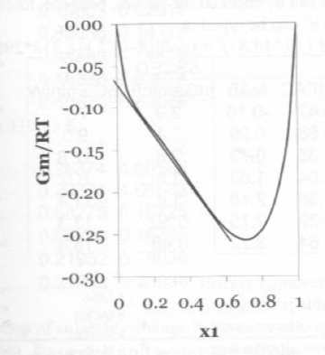
 |  |  |  | 0.45 | 0.61 | 1.28 | 1.05 | 0.78 | 0.41 | 1099.3 | -1518.557 | -419.3
 |  |  |  | 0.5 | 0.66 | 1.33 | 1.04 | 0.87 | 0.36 | 1075.8 | -1461.040 | -385.3
 |  |  |  | 0.55 | 0.70 | 1.38 | 1.03 | 0.97 | 0.31 | 1032.8 | -1387.093 | -354.3
 |  |  |  | 0.6 | 0.74 | 1.44 | 1.02 | 1.06 | 0.27 | 972.1 | -1298.561 | -326.4
 |  |  |  | 0.65 | 0.78 | 1.49 | 1.02 | 1.16 | 0.22 | 895.2 | -1196.669 | -301.5
 |  |  |  | 0.7 | 0.82 | 1.55 | 1.01 | 1.27 | 0.19 | 803.4 | -1082.075 | -278.6
 |  |  |  | 0.75 | 0.85 | 1.61 | 1.01 | 1.37 | 0.15 | 698.0 | -954.842 | -256.8
 |  |  |  | 0.8 | 0.88 | 1.67 | 1.00 | 1.48 | 0.12 | 580.0 | -814.288 | -234.3
 |  |  |  | 0.85 | 0.92 | 1.74 | 1.00 | 1.59 | 0.08 | 450.3 | -658.615 | -208.3
 |  |  |  | 0.9 | 0.94 | 1.80 | 1.00 | 1.70 | 0.06 | 310.0 | -483.910 | -174.0
 |  |  |  | 0.95 | 0.97 | 1.87 | 1.00 | 1.82 | 0.03 | 159.6 | -280.722 | -121.1
 |  |  |  | 1 | 1.00 | 1.93 | 1.00 | 1.93 | 0.00 | 0.0 | #NUM! | #NUM!

